week1
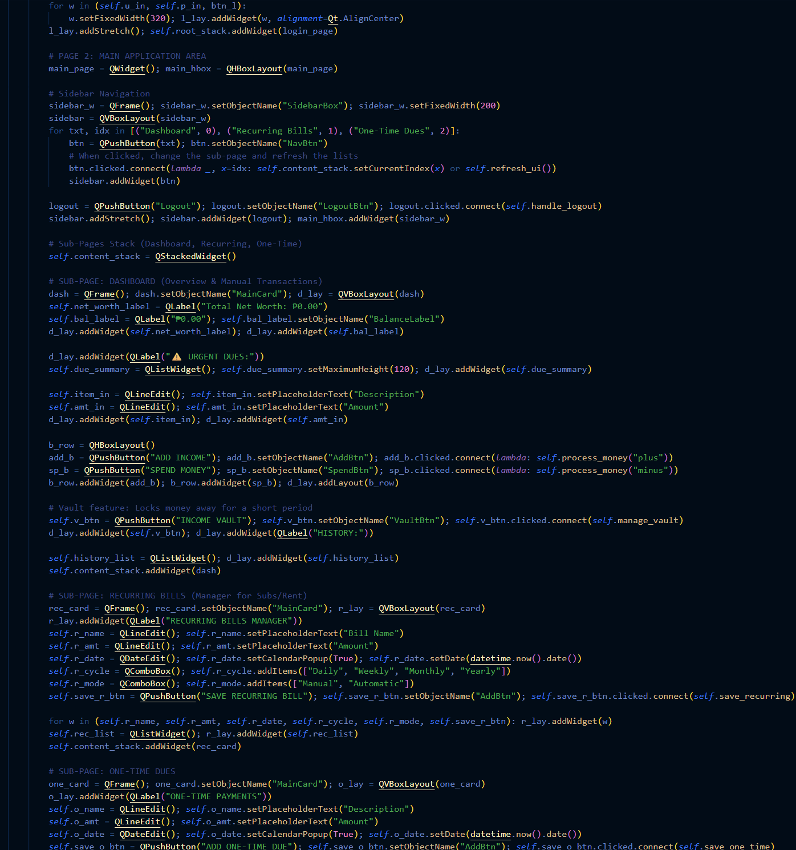
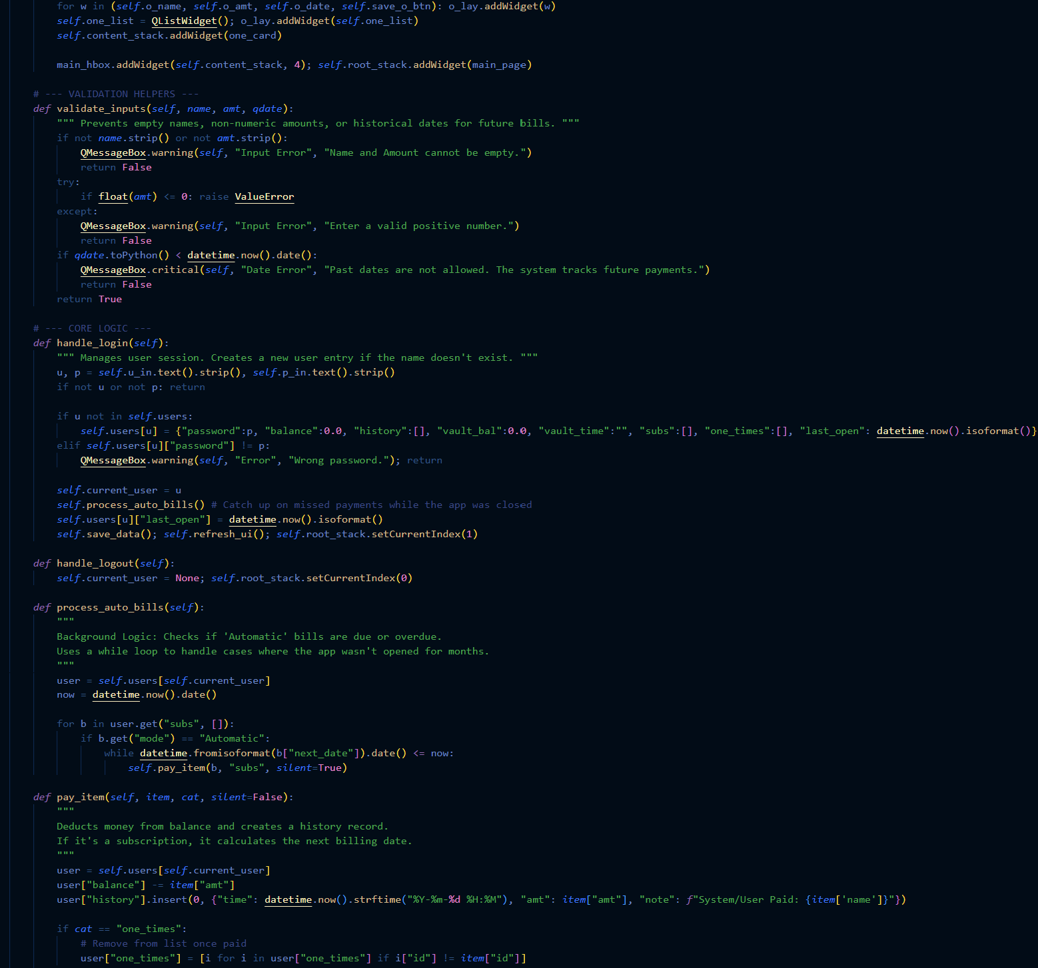
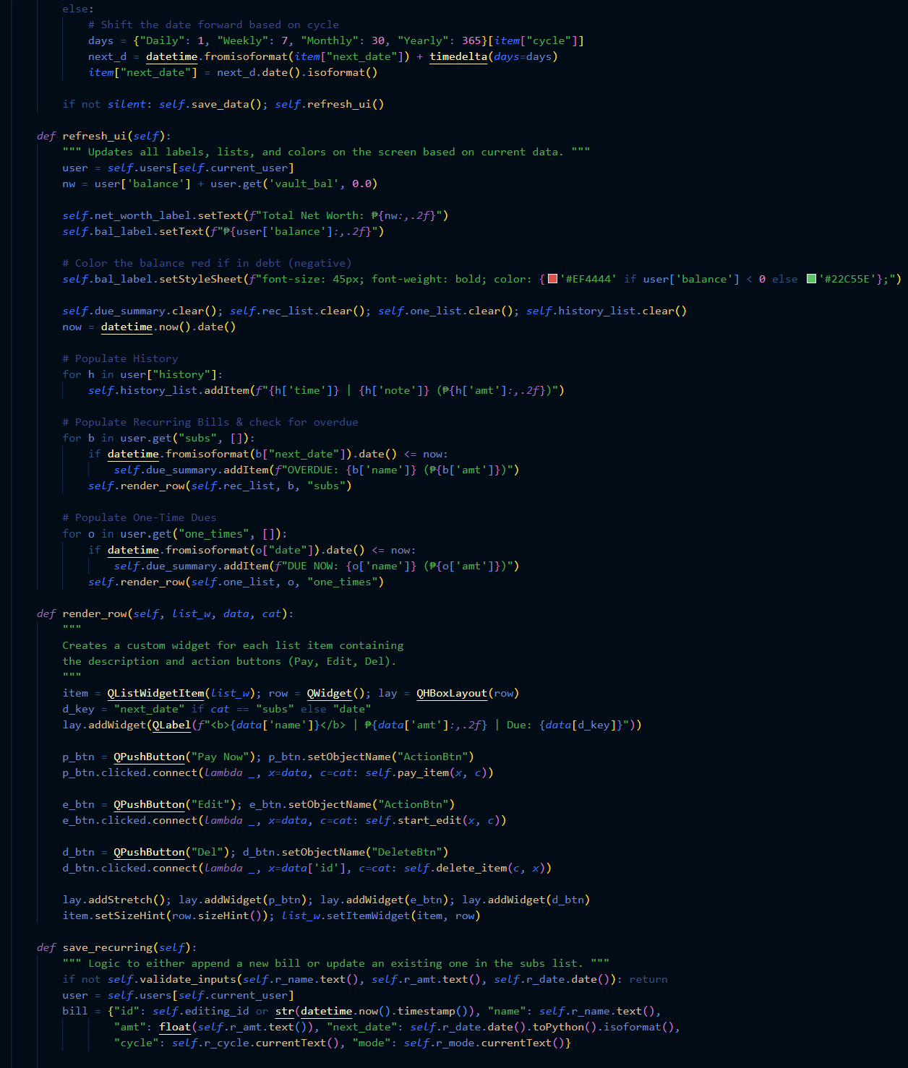
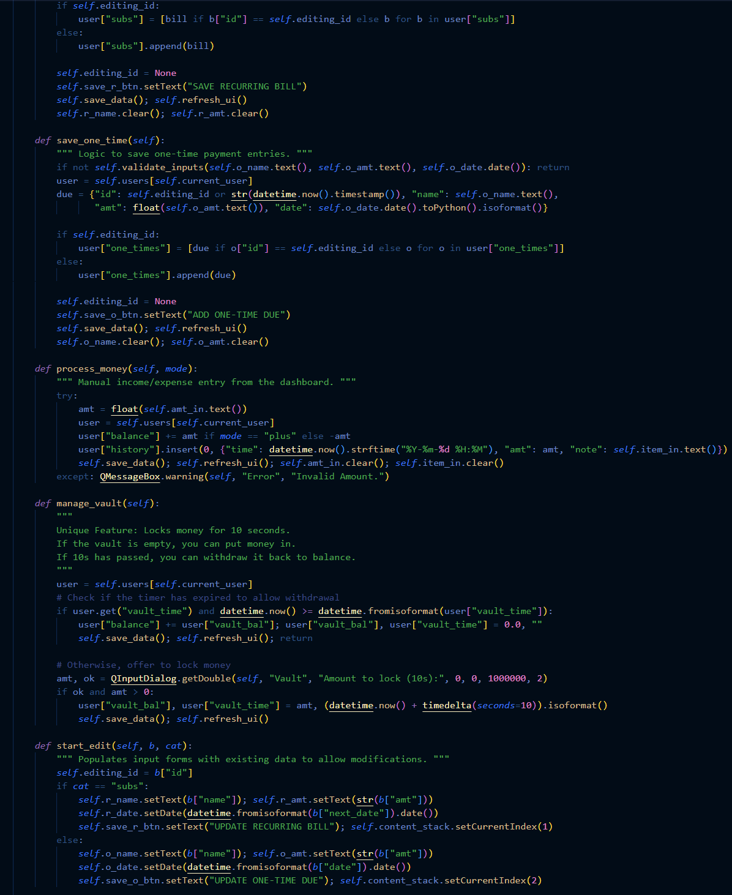
Computer Science 2 Project | Team Members: | Zian Relon
Group Progress Report |  | Caiden Alava
4th Quarter

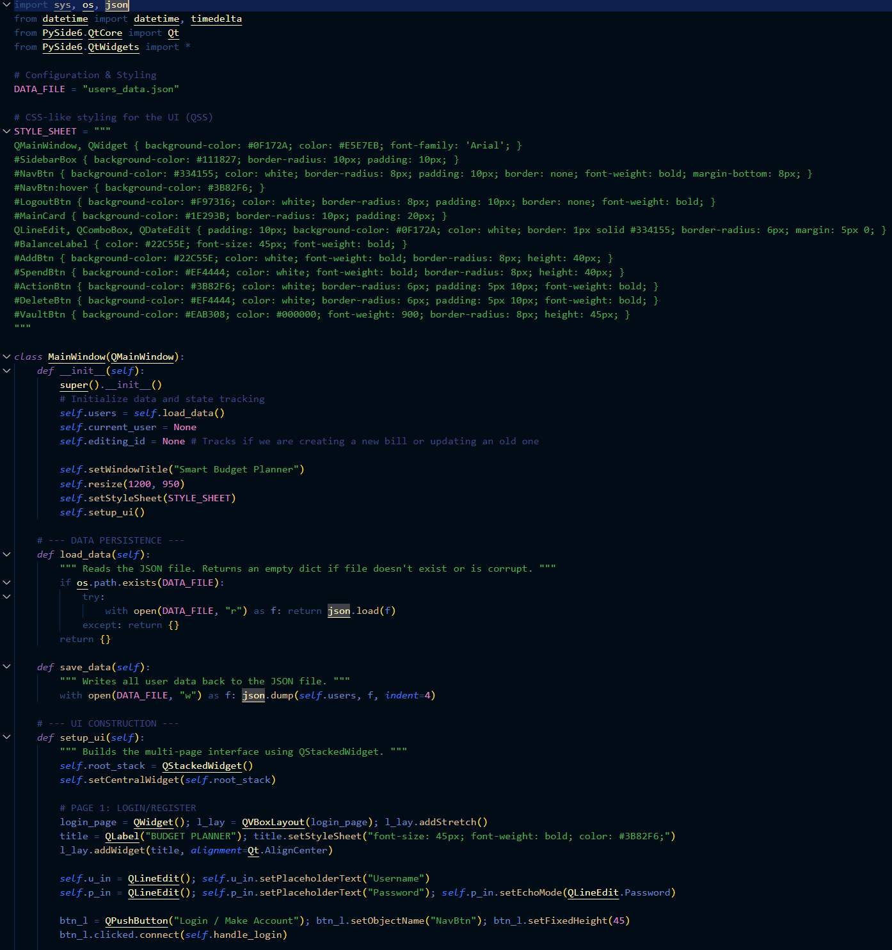
Week 11 - Apr 24, 2026
GOAL State your goal for the Week | DATA COLLECTED State/list the data collected relevant to your project | PROGRESS State the progress you have made so far by the end of the week
add the features | none | Removed AI
 |  | Removed Error Guide
 |  | Updated Input validation
 |  | Updated Login Screen
 |  | Added Recurring bills
 |  | Added Urgent dues in dashboard
 |  | Added One time dues
STRENGTH
Decent Coding skills
Researching
Ability to work well with each other

AREAS FOR DEVELOPMENT
Coding skills

STRATEGY FOR SUCCESS
Practice coding
Time management
Communication
Research
Patience

